Cover Page
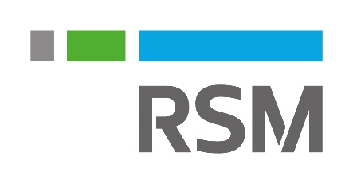

What's New - Microsoft D365 Feature Updates
Wave 1 & 2 - 2020
Wave 1 & 2 - 2021

Color Guide:
Green | Easy, nice to have update. Will require minimal effort to install/implement. We recommend taking this as soon as it is available.
Yellow | Moderate impact. RSM recommends you take a look at this update, consider if it applies to your business and would be worth the effort.
Red | This is a larger or more complex update which might require a more lengthy implementation/considersation to its impact on your business. Consult with your RSM MAS representative or account executive.

